Cover & Publication Info
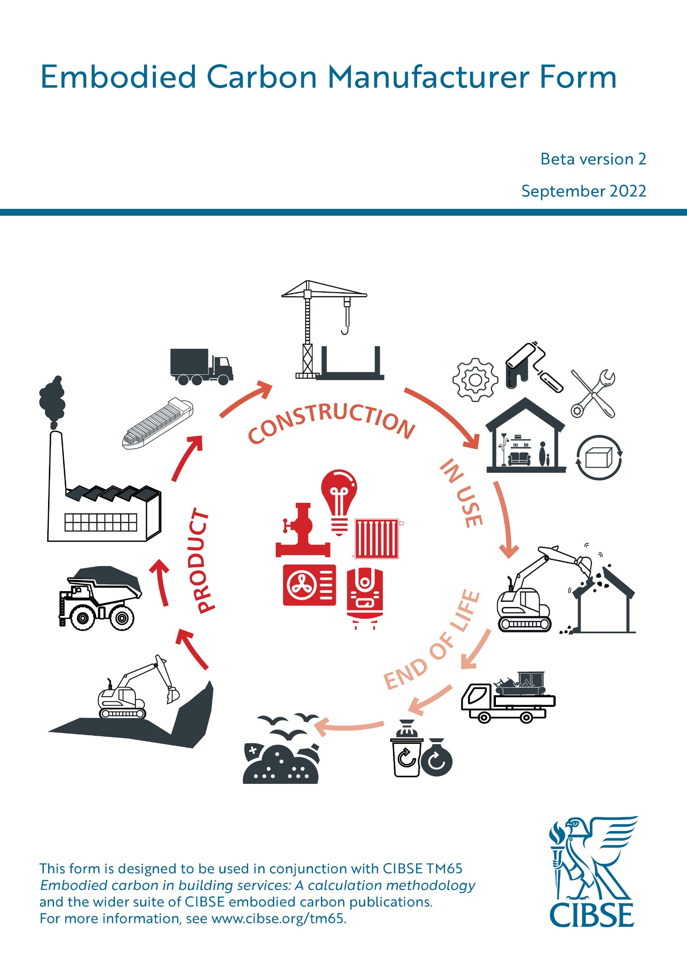

Embodied Carbon Manufacturer Form (beta version 2) Extracted from the CIBSE Embodied Carbon Calculator (beta version) developed by Carl Collins (CIBSE) For use with Embodied carbon in building services: A calculation methodology (TM65) Released 29th September 2022 © The Chartered Institution of Building Services Engineers, London Registered charity number 278104 Based on TM65 Embodied carbon in building services: a calculation methodology, authored by Louise Hamot and Clara Bagenal George (Elementa Consulting Ltd.) Editing, layout, typesetting and design by Eileen Bell for CIBSE Knowledge
The rights of publication or translation are reserved. No part of this digital tool may be reproduced or transmitted in any form or by any means without the prior permission of the Institution.

